RPA Step
 | File Naming :
 | "Expense Confirmation" "WX" "Month and Year period" - "BU name"
 | Contoh naming
 | Expense Confirmation W1 January 2025 - LSM
 | Expense Confirmation W2 January 2025 - BP

 | Contoh 1 bulan W1:
 | Expense Confirmation W1 January 2025 - LSM
 | Expense Confirmation W1 January 2025 - BP
 | Expense Confirmation W1 January 2025 - SMS

Step :
1 | Masuk ke tcode "FAGLL03H"
2 | Masukkan GL account dengan category "Inscoped"
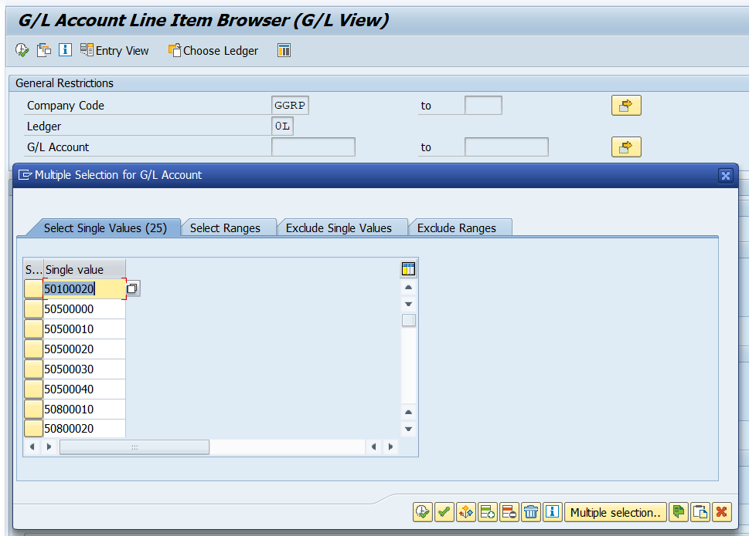

1. Klik ini dulu untuk input multiple item

2. Klik ini untuk selesai
2. Klik ini saat akan paste GL account, agar tercopy semua

3 | Masukkan posting date dengan tanggal 1-30/31 untuk bulan yg digenerate:
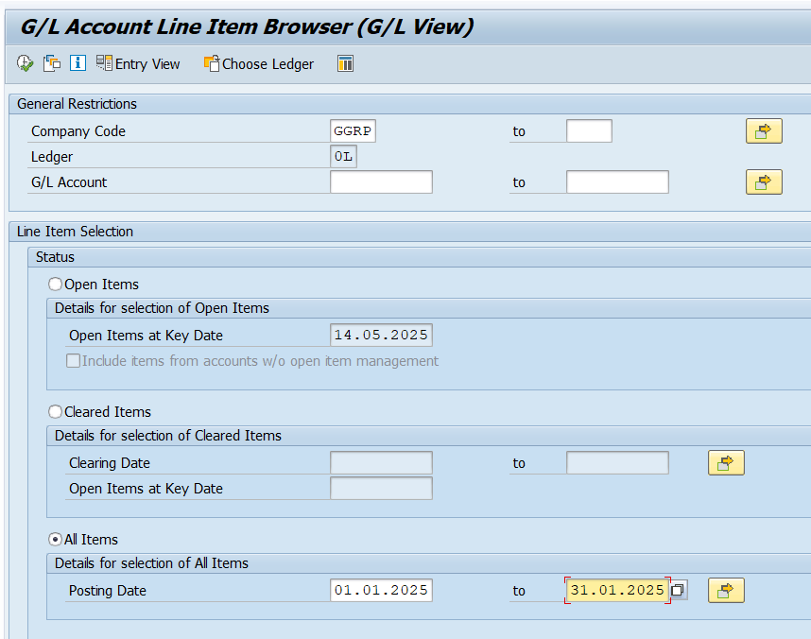

4 | Masukkan profit center pada "additional restrictions" dengan kondisi :
 | Profit center |  |  | Entry date :
 | LSM | = | 101131 | W1= | Tanggal 1-tanggal eksekusi report
 | BP | = | 101030 | W2= | Tanggal 15-tanggal eksekusi report
 | SMS | = | 101010
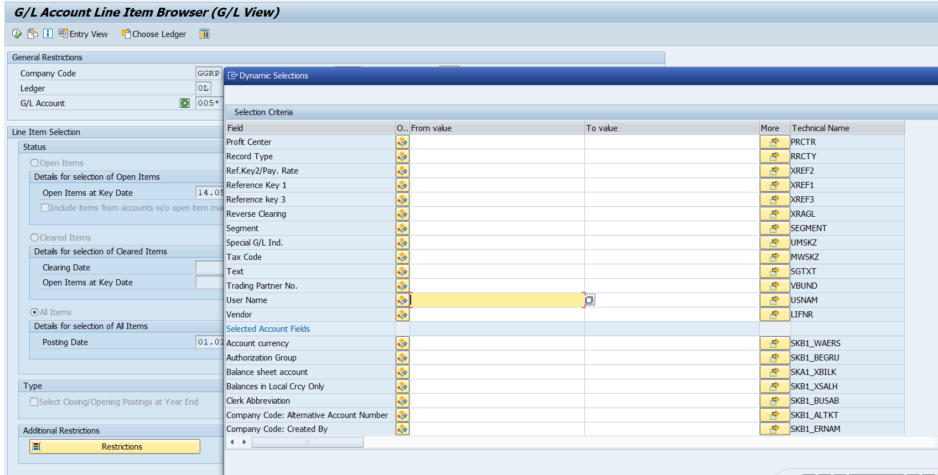

2

1

4 | Kemudian isi Layout dengan "/SCAN-EXP",
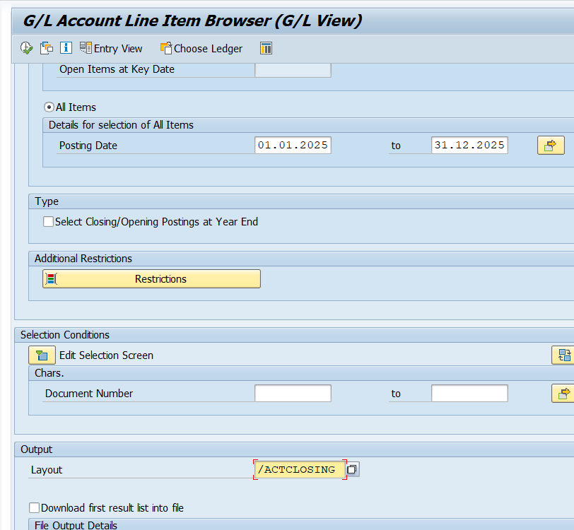

5 | Export to spreadsheet dan copy data yang tergenerate ke sheet "Detail W1" atau "Detail W2"

6 | Lakukan dengan kondisi diatas tetapi untuk step 2 , menggunakan GL account dengan category "Import Expense"
 | dan lakukan sampai dengan step 5, dan copy hasilnya ke sheet "Import Expense"

7 | Ambil data dari kolom "Purchasing order" dari hasil 2 sheet sebelumnya, lalu masukkan data tersebut ke tcode ZFI_GRIR.
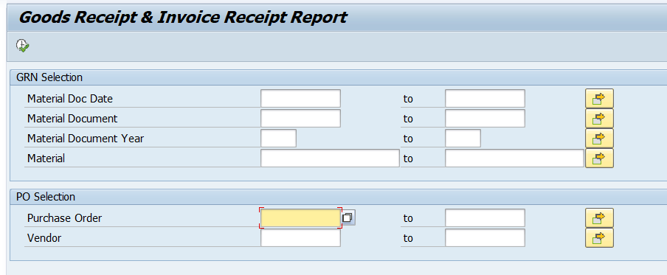

8 | Extract data to spreadsheet , kemudian copy ke sheet "ZFI_GRIR".

9 | Setelah semua sheet teriisi, lakukan filter pada sheet "Detail WX", dengan kondisi
 | Kolom Material description = "Sleeve Ring", "Roll" dan kolom amount per UoM > 100.000.000
 | Kolom Text = "Sleeve Ring", "Roll" dan kolom amount per UoM > 100.000.000

